Sheet1
 |  | Document No. | Issue No. | Issue Date |  | Review and Replace Date |  | Authorised By
 |  | GFF191MC | 7 | 11.09.2020 |  | 04.07.2023 |  | Magda Shah
 |  | Document Title | Hot & Spicy Prawn Goan Curry W/Pilau Rice 400G

Document amendments reason for change |  | Garnish removed | Page 1 of 1 |  | Previous Issue Date |  | 22.12.2021 | Uncontrolled copy unless signed original

CPGOCR-R4TEB | BOOTHS |  | Hot & Spicy Prawn Goan Curry W/Pilau Rice 400G
STEP 1 |  |  |  |  | STEP 2
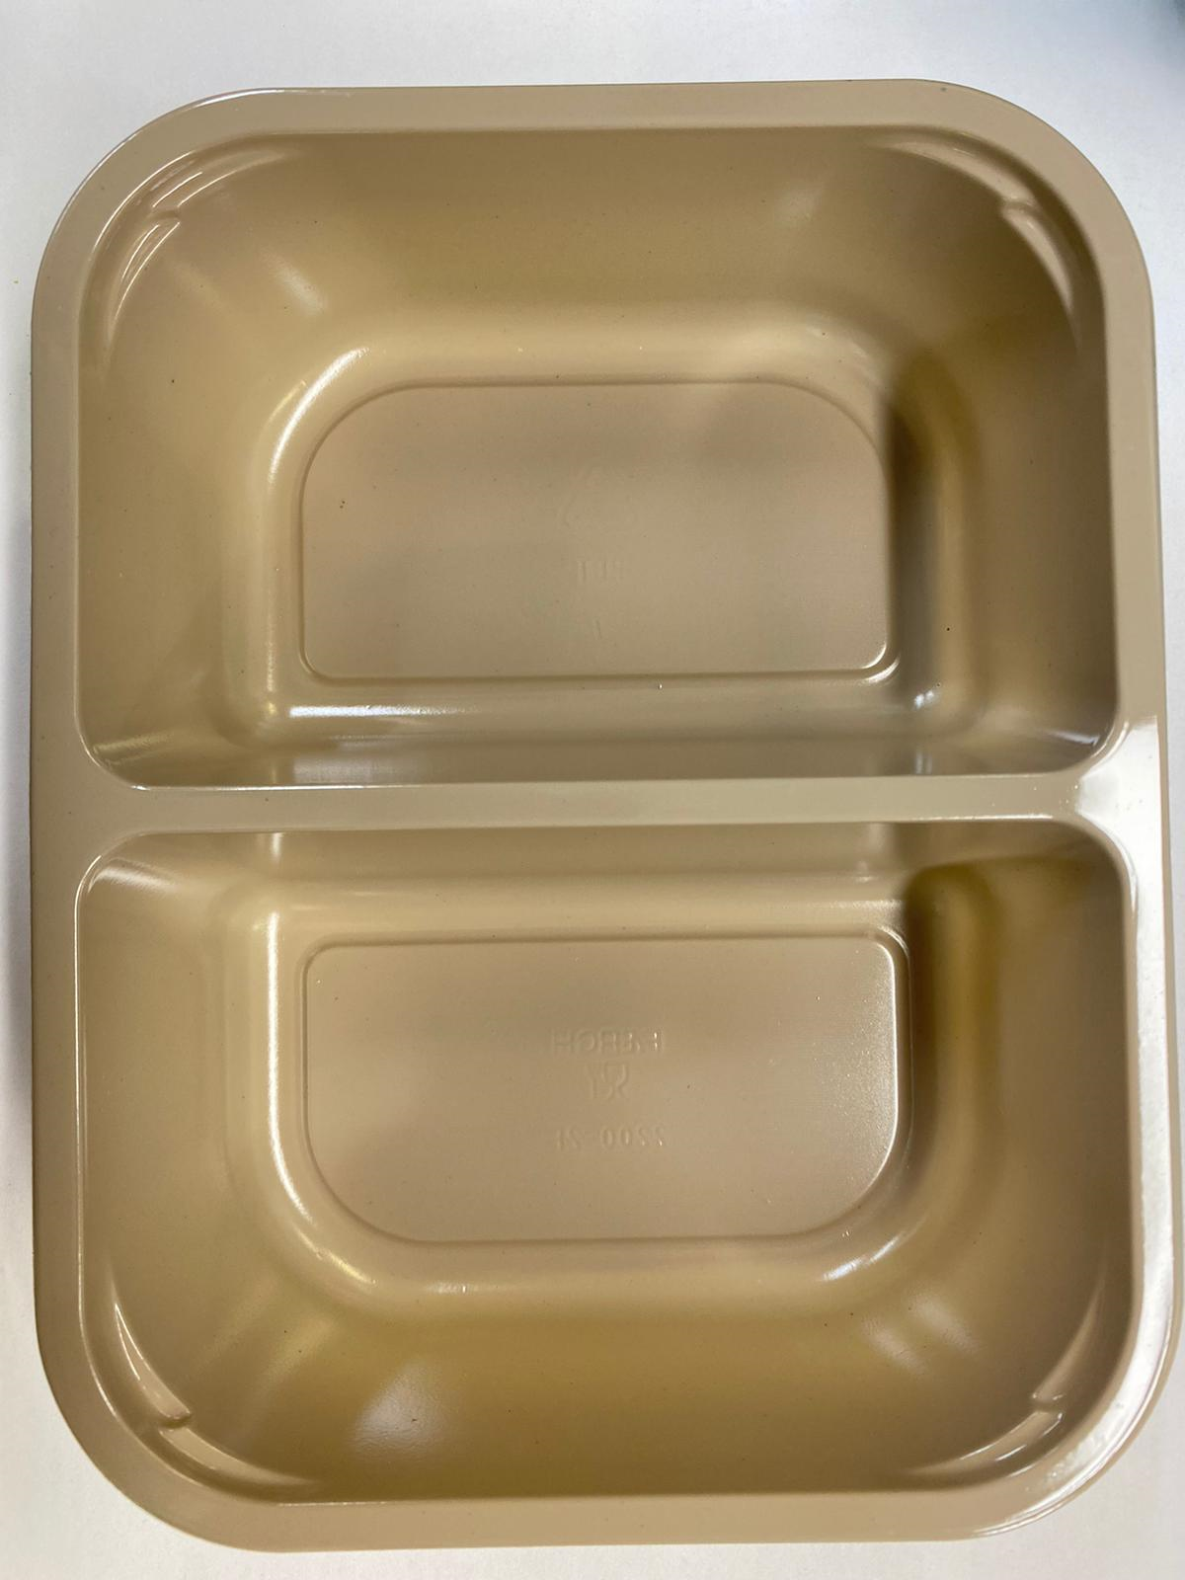 |  |  |  |  | 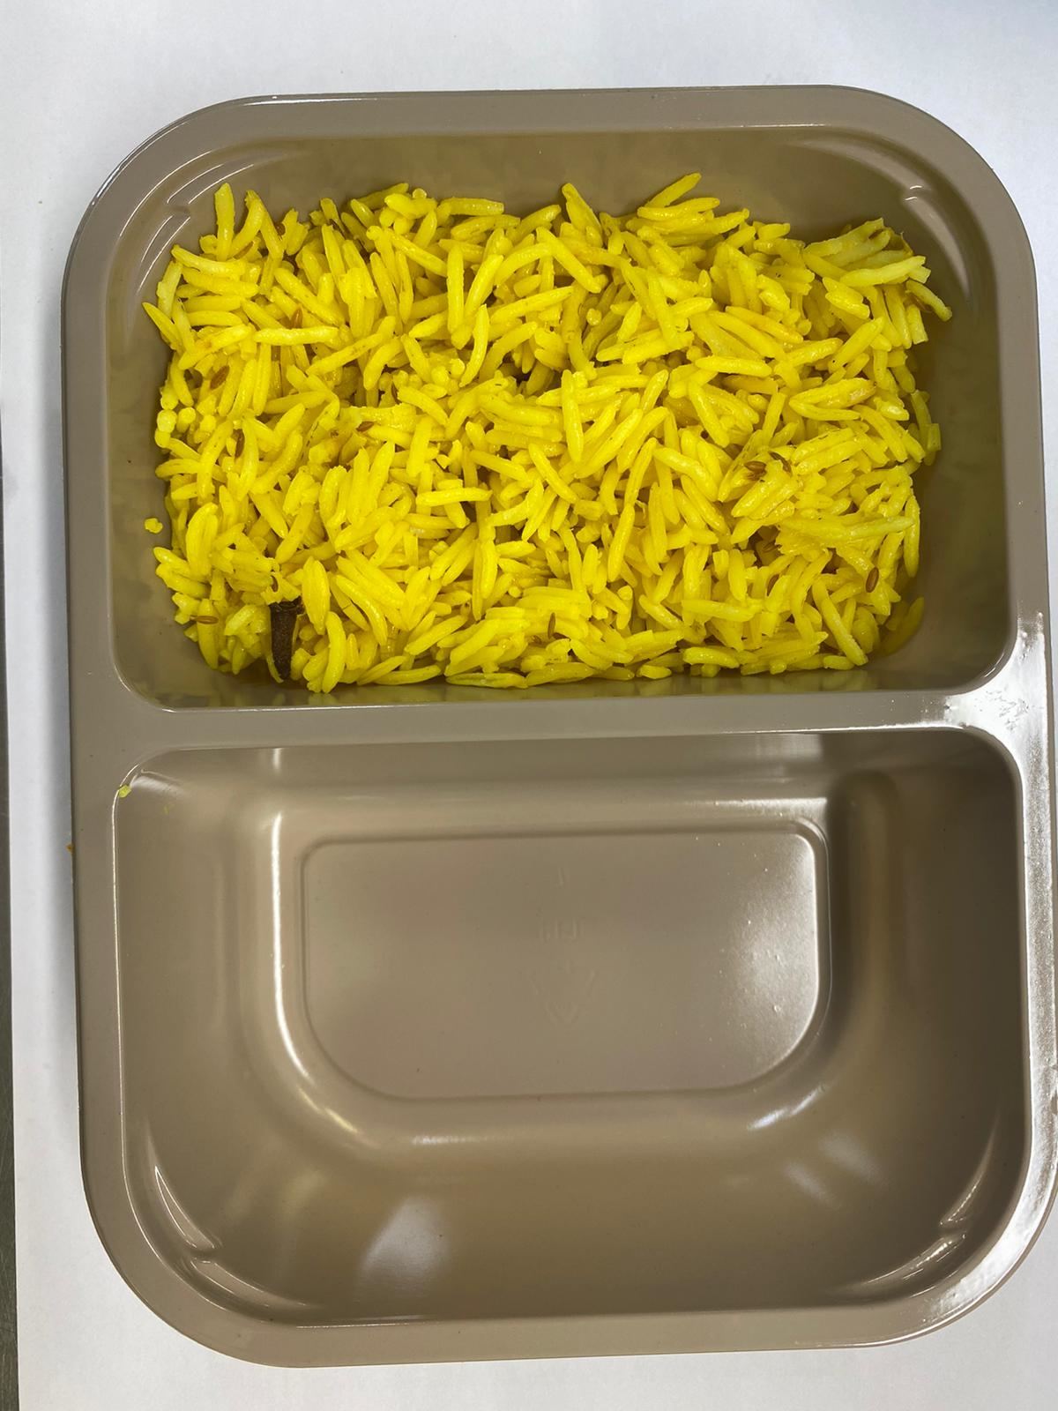

Pack within 2 days from cooking prawns

Tray: Evolve CPET 2200 -2F (PKRHP001-10) |  |  |  |  | Pilau Rice (GFF143R): 170g

Film: K peel 7G+25A/f- 275mm (275 mmX1000)(PKKMP001-03)

STEP 3 |  |  |  |  | STEP 4
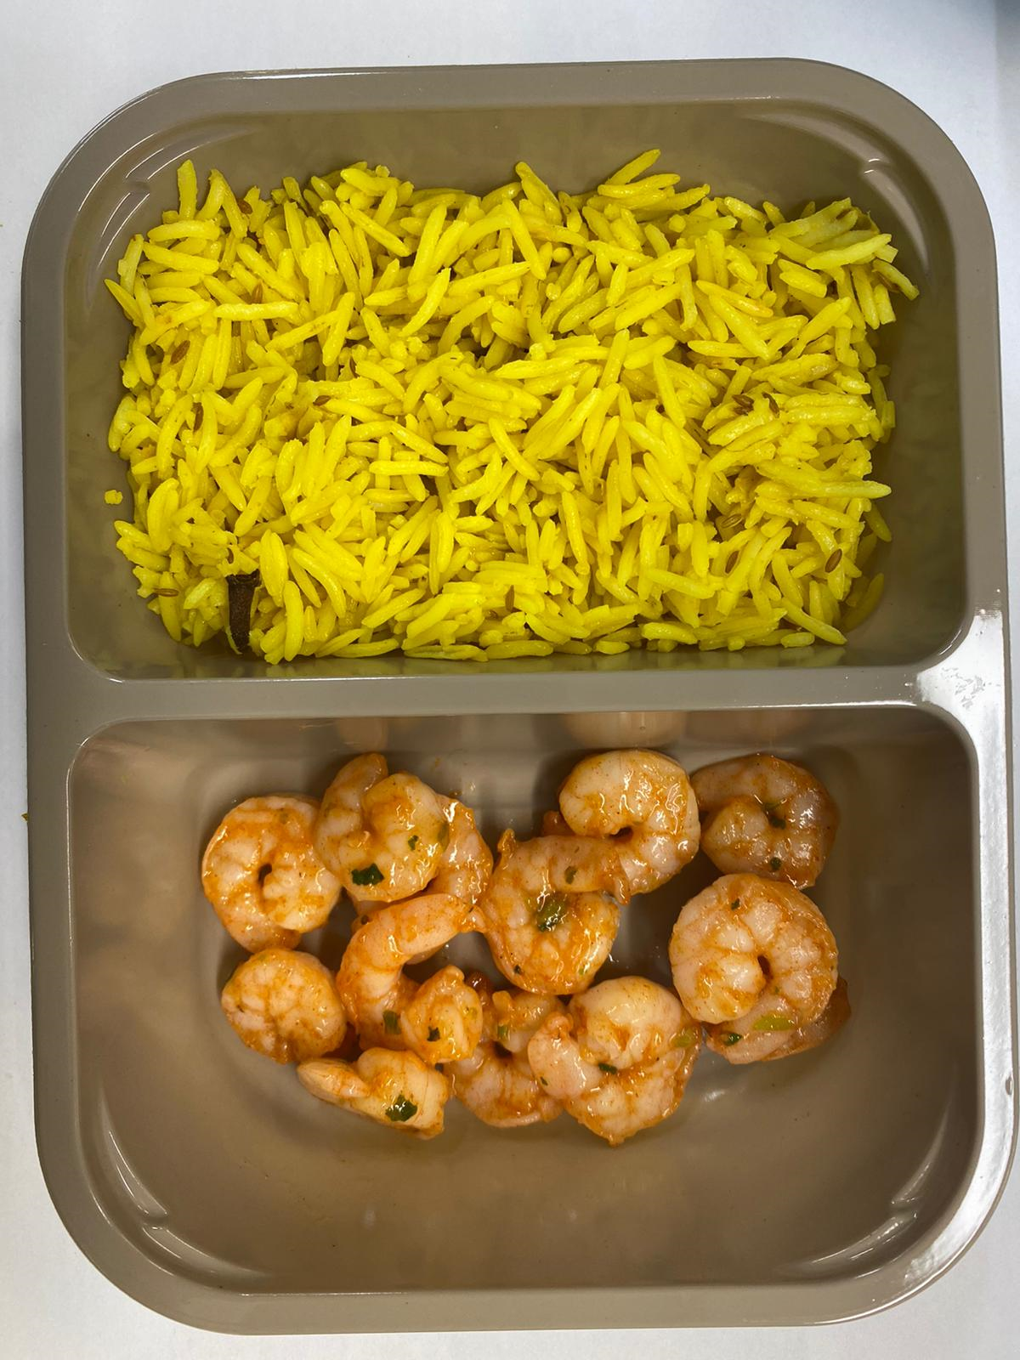 |  |  |  |  | 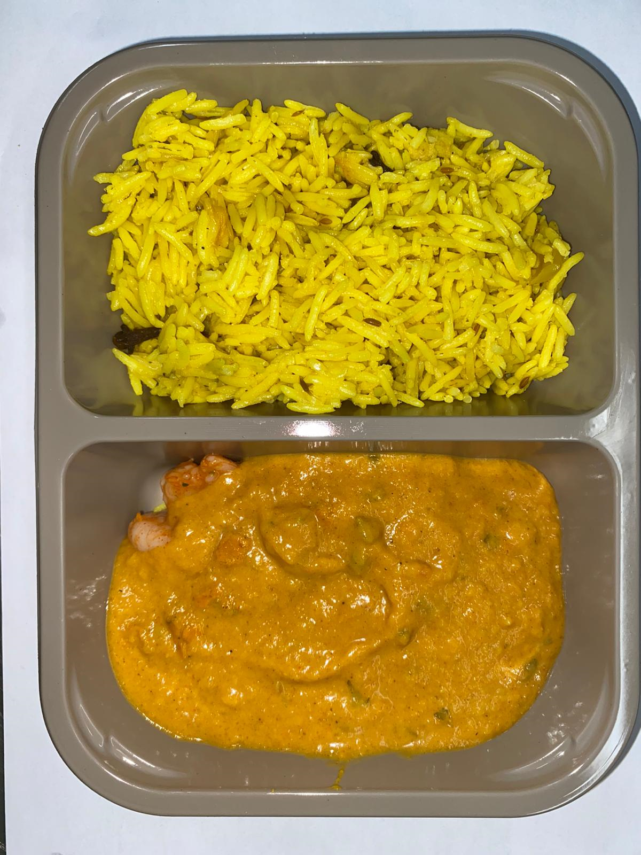

Marinated King Prawn (Ready Meals) (GFF403R): 60g |  |  |  |  | Goan Sauce (GFF201R): 170g |  |  | TOTAL WEIGHT: 400g

ALLERGY ALERT: BARLEY, CRUSTACEAN

